Itemized
  
1201 Biscayne Drive, Concord, NC 28027 |  |  |  |  |  |  |  |  | 4531 NC Hwy 16, Denver, NC 28037
Phone: 704-784-2000 |  |  |  |  |  |  |  |  | Phone (704) 483-2363
www.precastsupply.net |  |  |  |  |  |  |  |  | www.dellingerprecast.com
 |  |  |  | PROPOSAL version 6.3 |  |  |  |  |  | V6.3 FINAL
Quote Valid | 30 Days |  |  |  |  |  |  | Customer
Delivery | FOB Site |  |  |  |  |  |  | Quote #
Payment | NET 30 |  |  |  |  |  |  | Quote Date
Plan Date/REV |  |  |  |  |  |  |  | Project
 |  |  |  |  |  |  |  | Location
Estimator |  |  |  |  |  |  |  | Freight Zone
*****Any proposal date older than 30 days from quote date must be reviewed and discussed prior to acceptance. All proposals older than 4/1/22 must be requoted before acceptance.********
 |  |  |  |  |  |  |  |  |  | ZONE | Adder

STORM DRAINAGE |  |  |  |  |  |  |  |  |  | Freight/Adder
STRUCTURE | STR # | RIM | INV. OUT | Precast Height | Pipe DIA. | DOT | CUT | UNIT PRICE | DESCRIPTION | 8% | Std. Price | Extra | Weight | cys | Adj. Height | Short? | Freight Flag | DOT? | DCB?
 |  |  |  | (0.67) |  |  | 0.00 | $- |  | 0 | $- |  | 0 | 0 | -0.67 | 0 | FALSE | 1 | 1
 |  |  |  | (0.67) |  |  | 0.00 | $- |  | 0 | $- |  | 0 | 0 | -0.67 | 0 | FALSE | 1 | 1
 |  |  |  | (0.67) |  |  | 0.00 | $- |  | 0 | $- |  | 0 | 0 | -0.67 | 0 | FALSE | 1 | 1
 |  |  |  | (0.67) |  |  | 0.00 | $- |  | 0 | $- |  | 0 | 0 | -0.67 | 0 | FALSE | 1 | 1
 |  |  |  | (0.67) |  |  | 0.00 | $- |  | 0 | $- |  | 0 | 0 | -0.67 | 0 | FALSE | 1 | 1
 |  |  |  | (0.67) |  |  | 0.00 | $- |  | 0 | $- |  | 0 | 0 | -0.67 | 0 | FALSE | 1 | 1
 |  |  |  | (0.67) |  |  | 0.00 | $- |  | 0 | $- |  | 0 | 0 | -0.67 | 0 | FALSE | 1 | 1
 |  |  |  | (0.67) |  |  | 0.00 | $- |  | 0 | $- |  | 0 | 0 | -0.67 | 0 | FALSE | 1 | 1
 |  |  |  | (0.67) |  |  | 0.00 | $- |  | 0 | $- |  | 0 | 0 | -0.67 | 0 | FALSE | 1 | 1
 |  |  |  | (0.67) |  |  | 0.00 | $- |  | 0 | $- |  | 0 | 0 | -0.67 | 0 | FALSE | 1 | 1
 |  |  |  | (0.67) |  |  | 0.00 | $- |  | 0 | $- |  | 0 | 0 | -0.67 | 0 | FALSE | 1 | 1
 |  |  |  | (0.67) |  |  | 0.00 | $- |  | 0 | $- |  | 0 | 0 | -0.67 | 0 | FALSE | 1 | 1
 |  |  |  | (0.67) |  |  | 0.00 | $- |  | 0 | $- |  | 0 | 0 | -0.67 | 0 | FALSE | 1 | 1
 |  |  |  | (0.67) |  |  | 0.00 | $- |  | 0 | $- |  | 0 | 0 | -0.67 | 0 | FALSE | 1 | 1
 |  |  |  | (0.67) |  |  | 0.00 | $- |  | 0 | $- |  | 0 | 0 | -0.67 | 0 | FALSE | 1 | 1
 |  |  |  | (0.67) |  |  | 0.00 | $- |  | 0 | $- |  | 0 | 0 | -0.67 | 0 | FALSE | 1 | 1
 |  |  |  | (0.67) |  |  | 0.00 | $- |  | 0 | $- |  | 0 | 0 | -0.67 | 0 | FALSE | 1 | 1
 |  |  |  | (0.67) |  |  | 0.00 | $- |  | 0 | $- |  | 0 | 0 | -0.67 | 0 | FALSE | 1 | 1
 |  |  |  | (0.67) |  |  | 0.00 | $- |  | 0 | $- |  | 0 | 0 | -0.67 | 0 | FALSE | 1 | 1
 |  |  |  | (0.67) |  |  | 0.00 | $- |  | 0 | $- |  | 0 | 0 | -0.67 | 0 | FALSE | 1 | 1
 |  |  |  | (0.67) |  |  | 0.00 | $- |  | 0 | $- |  | 0 | 0 | -0.67 | 0 | FALSE | 1 | 1
 |  |  |  | (0.67) |  |  | 0.00 | $- |  | 0 | $- |  | 0 | 0 | -0.67 | 0 | FALSE | 1 | 1
 |  |  |  | (0.67) |  |  | 0.00 | $- |  | 0 | $- |  | 0 | 0 | -0.67 | 0 | FALSE | 1 | 1
 |  |  |  | (0.67) |  |  | 0.00 | $- |  | 0 | $- |  | 0 | 0 | -0.67 | 0 | FALSE | 1 | 1
 |  |  |  | (0.67) |  |  | 0.00 | $- |  | 0 | $- |  | 0 | 0 | -0.67 | 0 | FALSE | 1 | 1
 |  |  |  | (0.67) |  |  | 0.00 | $- |  | 0 | $- |  | 0 | 0 | -0.67 | 0 | FALSE | 1 | 1
 |  |  |  | (0.67) |  |  | 0.00 | $- |  | 0 | $- |  | 0 | 0 | -0.67 | 0 | FALSE | 1 | 1
 |  |  |  | (0.67) |  |  | 0.00 | $- |  | 0 | $- |  | 0 | 0 | -0.67 | 0 | FALSE | 1 | 1
 |  |  |  | (0.67) |  |  | 0.00 | $- |  | 0 | $- |  | 0 | 0 | -0.67 | 0 | FALSE | 1 | 1
 |  |  |  | (0.67) |  |  | 0.00 | $- |  | 0 | $- |  | 0 | 0 | -0.67 | 0 | FALSE | 1 | 1
 |  |  |  | (0.67) |  |  | 0.00 | $- |  | 0 | $- |  | 0 | 0 | -0.67 | 0 | FALSE | 1 | 1
 |  |  |  | (0.67) |  |  | 0.00 | $- |  | 0 | $- |  | 0 | 0 | -0.67 | 0 | FALSE | 1 | 1
 |  |  |  | (0.67) |  |  | 0.00 | $- |  | 0 | $- |  | 0 | 0 | -0.67 | 0 | FALSE | 1 | 1
 |  |  |  | (0.67) |  |  | 0.00 | $- |  | 0 | $- |  | 0 | 0 | -0.67 | 0 | FALSE | 1 | 1
 |  |  |  | (0.67) |  |  | 0.00 | $- |  | 0 | $- |  | 0 | 0 | -0.67 | 0 | FALSE | 1 | 1
 |  |  |  | (0.67) |  |  | 0.00 | $- |  | 0 | $- |  | 0 | 0 | -0.67 | 0 | FALSE | 1 | 1
 |  |  |  | (0.67) |  |  | 0.00 | $- |  | 0 | $- |  | 0 | 0 | -0.67 | 0 | FALSE | 1 | 1
 |  |  |  | (0.67) |  |  | 0.00 | $- |  | 0 | $- |  | 0 | 0 | -0.67 | 0 | FALSE | 1 | 1
 |  |  |  | (0.67) |  |  | 0.00 | $- |  | 0 | $- |  | 0 | 0 | -0.67 | 0 | FALSE | 1 | 1
 |  |  |  | (0.67) |  |  | 0.00 | $- |  | 0 | $- |  | 0 | 0 | -0.67 | 0 | FALSE | 1 | 1
 |  |  |  | (0.67) |  |  | 0.00 | $- |  | 0 | $- |  | 0 | 0 | -0.67 | 0 | FALSE | 1 | 1
 |  |  |  | (0.67) |  |  | 0.00 | $- |  | 0 | $- |  | 0 | 0 | -0.67 | 0 | FALSE | 1 | 1
 |  |  |  | (0.67) |  |  | 0.00 | $- |  | 0 | $- |  | 0 | 0 | -0.67 | 0 | FALSE | 1 | 1
 |  |  |  | (0.67) |  |  | 0.00 | $- |  | 0 | $- |  | 0 | 0 | -0.67 | 0 | FALSE | 1 | 1
 |  |  |  | (0.67) |  |  | 0.00 | $- |  | 0 | $- |  | 0 | 0 | -0.67 | 0 | FALSE | 1 | 1
 |  |  |  | (0.67) |  |  | 0.00 | $- |  | 0 | $- |  | 0 | 0 | -0.67 | 0 | FALSE | 1 | 1
 |  |  |  | (0.67) |  |  | 0.00 | $- |  | 0 | $- |  | 0 | 0 | -0.67 | 0 | FALSE | 1 | 1
 |  |  |  | (0.67) |  |  | 0.00 | $- |  | 0 | $- |  | 0 | 0 | -0.67 | 0 | FALSE | 1 | 1
 |  |  |  | (0.67) |  |  | 0.00 | $- |  | 0 | $- |  | 0 | 0 | -0.67 | 0 | FALSE | 1 | 1
 |  |  |  | (0.67) |  |  | 0.00 | $- |  | 0 | $- |  | 0 | 0 | -0.67 | 0 | FALSE | 1 | 1
 |  |  |  | (0.67) |  |  | 0.00 | $- |  | 0 | $- |  | 0 | 0 | -0.67 | 0 | FALSE | 1 | 1
 |  |  |  | (0.67) |  |  | 0.00 | $- |  | 0 | $- |  | 0 | 0 | -0.67 | 0 | FALSE | 1 | 1
 |  |  |  | (0.67) |  |  | 0.00 | $- |  | 0 | $- |  | 0 | 0 | -0.67 | 0 | FALSE | 1 | 1
 |  |  |  | (0.67) |  |  | 0.00 | $- |  | 0 | $- |  | 0 | 0 | -0.67 | 0 | FALSE | 1 | 1
 |  |  |  | (0.67) |  |  | 0.00 | $- |  | 0 | $- |  | 0 | 0 | -0.67 | 0 | FALSE | 1 | 1
 |  |  |  | (0.67) |  |  | 0.00 | $- |  | 0 | $- |  | 0 | 0 | -0.67 | 0 | FALSE | 1 | 1
 |  |  |  | (0.67) |  |  | 0.00 | $- |  | 0 | $- |  | 0 | 0 | -0.67 | 0 | FALSE | 1 | 1
 |  |  |  | (0.67) |  |  | 0.00 | $- |  | 0 | $- |  | 0 | 0 | -0.67 | 0 | FALSE | 1 | 1
 |  |  |  | (0.67) |  |  | 0.00 | $- |  | 0 | $- |  | 0 | 0 | -0.67 | 0 | FALSE | 1 | 1
 |  |  |  | (0.67) |  |  | 0.00 | $- |  | 0 | $- |  | 0 | 0 | -0.67 | 0 | FALSE | 1 | 1
 |  |  |  | (0.67) |  |  | 0.00 | $- |  | 0 | $- |  | 0 | 0 | -0.67 | 0 | FALSE | 1 | 1
 |  |  |  | (0.67) |  |  | 0.00 | $- |  | 0 | $- |  | 0 | 0 | -0.67 | 0 | FALSE | 1 | 1

 |  |  |  | SUB-TOTAL |  |  |  | $-

SANITARY SEWER (UTILITIES) |  |  |  |  |  |  |  |  |  | Freight
STRUCTURE | STR # | RIM | INV. OUT | Precast Height | Boots # | Boot Size | CUT | UNIT PRICE | DESCRIPTION | 8% | Std. Price | Extra | Weights | cys |  |  |  |  | Wrap
 |  |  |  | (0.30) |  |  | 0.00 | $- |  | 0 | $- |  | 0 | 0 |  |  |  |  | 0
 |  |  |  | (0.30) |  |  | 0.00 | $- |  | 0 | $- |  | 0 | 0 |  |  |  |  | 0
 |  |  |  | (0.30) |  |  | 0.00 | $- |  | 0 | $- |  | 0 | 0 |  |  |  |  | 0
 |  |  |  | (0.30) |  |  | 0.00 | $- |  | 0 | $- |  | 0 | 0 |  |  |  |  | 0
 |  |  |  | (0.30) |  |  | 0.00 | $- |  | 0 | $- |  | 0 | 0 |  |  |  |  | 0
 |  |  |  | (0.30) |  |  | 0.00 | $- |  | 0 | $- |  | 0 | 0 |  |  |  |  | 0
 |  |  |  | (0.30) |  |  | 0.00 | $- |  | 0 | $- |  | 0 | 0 |  |  |  |  | 0
 |  |  |  | (0.30) |  |  | 0.00 | $- |  | 0 | $- |  | 0 | 0 |  |  |  |  | 0
 |  |  |  | (0.30) |  |  | 0.00 | $- |  | 0 | $- |  | 0 | 0 |  |  |  |  | 0
 |  |  |  | (0.30) |  |  | 0.00 | $- |  | 0 | $- |  | 0 | 0 |  |  |  |  | 0
 |  |  |  | (0.30) |  |  | 0.00 | $- |  | 0 | $- |  | 0 | 0 |  |  |  |  | 0
 |  |  |  | (0.30) |  |  | 0.00 | $- |  | 0 | $- |  | 0 | 0 |  |  |  |  | 0
 |  |  |  | (0.30) |  |  | 0.00 | $- |  | 0 | $- |  | 0 | 0 |  |  |  |  | 0
 |  |  |  | (0.30) |  |  | 0.00 | $- |  | 0 | $- |  | 0 | 0 |  |  |  |  | 0
 |  |  |  | (0.30) |  |  | 0.00 | $- |  | 0 | $- |  | 0 | 0 |  |  |  |  | 0
 |  |  |  | (0.30) |  |  | 0.00 | $- |  | 0 | $- |  | 0 | 0 |  |  |  |  | 0
 |  |  |  | (0.30) |  |  | 0.00 | $- |  | 0 | $- |  | 0 | 0 |  |  |  |  | 0
 |  |  |  | (0.30) |  |  | 0.00 | $- |  | 0 | $- |  | 0 | 0 |  |  |  |  | 0
 |  |  |  | (0.30) |  |  | 0.00 | $- |  | 0 | $- |  | 0 | 0 |  |  |  |  | 0
 |  |  |  | (0.30) |  |  | 0.00 | $- |  | 0 | $- |  | 0 | 0 |  |  |  |  | 0
 |  |  |  | (0.30) |  |  | 0.00 | $- |  | 0 | $- |  | 0 | 0 |  |  |  |  | 0
 |  |  |  | (0.30) |  |  | 0.00 | $- |  | 0 | $- |  | 0 | 0 |  |  |  |  | 0
 |  |  |  | (0.30) |  |  | 0.00 | $- |  | 0 | $- |  | 0 | 0 |  |  |  |  | 0
 |  |  |  | (0.30) |  |  | 0.00 | $- |  | 0 | $- |  | 0 | 0 |  |  |  |  | 0
 |  |  |  | (0.30) |  |  | 0.00 | $- |  | 0 | $- |  | 0 | 0 |  |  |  |  | 0
 |  |  |  | (0.30) |  |  | 0.00 | $- |  | 0 | $- |  | 0 | 0 |  |  |  |  | 0
 |  |  |  | (0.30) |  |  | 0.00 | $- |  | 0 | $- |  | 0 | 0 |  |  |  |  | 0
 |  |  |  | (0.30) |  |  | 0.00 | $- |  | 0 | $- |  | 0 | 0 |  |  |  |  | 0
 |  |  |  | (0.30) |  |  | 0.00 | $- |  | 0 | $- |  | 0 | 0 |  |  |  |  | 0
 |  |  |  | (0.30) |  |  | 0.00 | $- |  | 0 | $- |  | 0 | 0 |  |  |  |  | 0
 |  |  |  | (0.30) |  |  | 0.00 | $- |  | 0 | $- |  | 0 | 0 |  |  |  |  | 0
 |  |  |  | (0.30) |  |  | 0.00 | $- |  | 0 | $- |  | 0 | 0 |  |  |  |  | 0
 |  |  |  | (0.30) |  |  | 0.00 | $- |  | 0 | $- |  | 0 | 0 |  |  |  |  | 0
 |  |  |  | (0.30) |  |  | 0.00 | $- |  | 0 | $- |  | 0 | 0 |  |  |  |  | 0
 |  |  |  | (0.30) |  |  | 0.00 | $- |  | 0 | $- |  | 0 | 0 |  |  |  |  | 0
 |  |  |  |  |  |  |  | $- | Outside wrap for all SSMH's (Qty = 0)
 |  |  |  |  |  |  |  |  |  |  |  |  |  |  |  |  |  |  | 0
 |  |  |  |  |  |  |  |  |  | 0
 |  |  |  | SUB-TOTAL |  |  |  | $-

 |  |  |  |  |  |  | Weights | Approx. Loads
 |  |  |  |  |  | Storm | 0 | 1
 |  |  |  |  |  | Sewer | 0 | 1
 |  |  |  |  |  | Total | 0 | 2

Submittals will not be started until after PO received and verified to quote. Current Submittals drawing backlog varies based on size of project, expect 1-2 weeks on avg.

A. INCLUSIONS
1. Delivery to the project site on flatbed trailers. Actual Address to be provided.
2. Joint wrap (JW) included only with SS Manholes, as delineated by unit quantity and price. Additional joint wrap shall be charged at the yard price rate minus any potential discounts.
3. Sanitary Sewer MH pricing include appropriate boots, precast and joint sealant as delineated.
4. Proposal is based on full truck load deliveries, which may be subject to fuel surcharges based on eia.gov rate increase. Partial loads are subject to additional LTL freight and/or fuel surcharge fees.
5. Standard submittal drawings are assumed acceptable for submittals. Special drawings may incur additional charges.
6. Proposal pricing is based on full quoted quantities as noted above. If customer chooses to award portions of this proposal, they are subject to be repriced at a higher rate, due to the size of the award.

B. EXCLUSIONS
1. State or local sales or use taxes is not included in the structure or total pricing.
2. Unloading, setting, or installing any components quoted herein.
3. Any items not specifically call out in the proposal, including castings, trash racks, ballast/sump concrete and/or baffle walls.
4. Proposal values do not include structural design services, drawings and/or calculations unless specifically noted in proposal.
5. Exterior or interior concrete coating, or mix additives not specifically identified in piece description are not included.
6. Expanded bases are not included on any structure, unless specifically called out. Contractor to CIP in the field.
7. Outside Joint wrap and sealant are not included with storm structures.
8. Offset Catch Basin quoting based on weir opening at centerline of pipe. Contractor to CIP flume extending structure to curb line.
9. All cuts that are in RED need to be verified due to inaccuracy or no information. Budget numbers were added
10. Trash racks are priced per verbiage and standard designs available from mfg. only. Spec drawings will be provided for approval.
11. No concessions have been made to seal pipe penetrations on the storm structures. Sealing methods are responsibility of contractors.
12. Any structure not marked as DOT is subject to 5% cost adder, if required to be NCDOT stamped. Per NCDOT guidelines, we cannot add tags to cover contingencies of possible use. IT MUST BE STAMPED.
13. Any SSMH in wet conditions should use CS231 sealant material in lieu of standard Butyl joint sealnt. This is a hydrophobic water seal material which Customer must request . Its an adder per roll/box.
14. OTCB posts to be field built, and not precast.

C. PROJECT NOTES
1. TBD
2. TBD

D. CONDITIONS
1. Any Revisions to plans voids quote in entirety and is subject to requoting.
2. Pricing is valid for 30 days from quote per proposal. However any project that extends beyond the end of the calendar year is subject to an escalation percentage.
3. Freight includes one (1) hour per truck for unloading of product. Additional on site time in excess of first hour charged at $150/hr.
4. The Purchaser is responsible to provide safe and sufficient access for tractor trailer delivery.
5. Product will be invoiced upon delivery. Product not accepted for delivery within 30 days of agreed upon delivery date will be invoiced in full and Customer agrees to paywill be subject to then-current product storage fees monthly, as such storage fees accrue.
6. Unless otherwise specified and subject to Purchaser’s credit approval, payment for materials and storage furnished under this contract and/or agreement, are due in NET30 (30 days) unless terms are different, after their receipt by Purchaser, without retention.
7. Order indicates acceptance of our Standard Terms and Conditions that are available for review @ https://evercastconcrete.com/terms-conditions/
8. Prepaid orders can be paid by credit card with a 3.5% processing fee or can be paid in advance by check.
9. Order/PO issuance indicates acceptance of Fuel Surcharge @ https://www.eia.gov/ -Lower Atlantic Zone. For every $0.05/increase per gal of Diesel (On Highway), a surcharge fee up to 1% or min $150/load/invoice could be added to the invoice.
10. Due to the exceptional nature of current volatility in the market, pricing on all castings and resales items will only be guaranteed for 7 days in lieu of our standard 30 days. Prevailing price shall be enforced at time of order.
11. Material prices are extremely volatile in the current economic environment. The pricing provided in this quotation is based on current market prices and remains valid only if (I) Customer accepts this quotation within 30 days from the date of this quotation and (ii) Customer releases manufacturer to manufacture the order on or before the date shown in the quotation, or, if no date is shown, within 60 days from the date of this quotation. The pricing provided in this quotation is not firm for the duration of this project. By accepting this quotation, Customer agrees that, if, after 60 days from the date of this quotation, manufacturer’s costs, including, but not limited to, the costs of raw materials, increase from the prices included in this quotation, Customer shall pay to manufacturer such increased costs as extra work
12. The pricing provided in this quotation Proposal pricing is further based on current validity date and assume shipment of the full ordering in before the end of the current calendar year. By accepting this quotation, Customer agrees to pay an additional 8.95% escalator to the price shown in this quotation for any product not shipped by end of current calendar year.

Please indicate your acceptance of this proposal by signing below and returning.
Accepted by:
 |  |  |  |  |  |  |  | / /

(Customer Signature) |  |  |  |  |  |  |  | Date

Due to the exceptional nature of the current volatility, pricing on all quotes will only be guaranteed for 7 days instead of our standard 30.

Unit Quote
1201 Biscayne Drive, Concord, NC 28027 |  |  |  | 4531 NC Hwy 16, Denver, NC 28037
O: 704-784-2000 |  |  |  | O: 704-483-2363
www.precastsupply.net |  |  | www.dellingreprecast.com
 | UNIT PRICE PROPOSAL |  |  | Version 6.2
Customer: |  |  | Quote Valid: | 30 Days
Quote Date |  |  | Delivery | FOB Site
Job Name: |  |  | Payment | NET30
Location: |  |  | REV
Plan Date: |  |  | Estimator
***********Any proposal date older than 30 days from quote date must be reviewed and discussed prior to acceptance. All proposals older than 4/1/22 must be requoted before acceptance.**********

BID ITEM # | Description | QTY | Per Unit | Total
 |  |  |  | $-
 |  |  |  | $-
 |  |  |  | $-
 |  |  |  | $-
 |  |  |  | $-
 |  |  |  | $-
 |  |  |  | $-
 |  |  |  | $-
 |  |  |  | $-
 |  |  |  | $-
 |  |  |  | $-
 |  |  |  | $-
 |  |  |  | $-
 |  |  |  | $-
 |  |  |  | $-
 |  |  |  | $-
 |  |  |  | $-
 |  |  |  | $-
 |  |  |  | $-
 |  |  |  | $-
 |  |  |  | $-
 |  |  |  | $-
 |  |  |  | $-
 |  |  | TOTAL | $-

Submittals will not be started until after PO received and verified to quote. Current Submittals drawing backlog varies based on size of project, expect 1-2 weeks on avg.

A. INCLUSIONS
1. Delivery to the project site on flatbed trailers. Actual Address to be provided.
2. Wrap included only with SS Manholes, as delaminated by unit quantity and price. Additional joint wrap shall be charged at quoted rate.
3. Sanitary Sewer MH pricing include appropriate boots, precast and joint sealant as delineated.
4. Proposal is based on full truck load deliveries, which may be subject to fuel surcharges based on eia.gov rate increase.
5. Partial loads are subject to additional LTL freight and/or fuel surcharge fees.
6. Standard submittal drawings are assumed acceptable for submittals. Special drawings may incur additional charges.
7. Proposal pricing is based on full quoted quantities as noted above. If customer chooses to award portions of this proposal, they are subject to be repriced at a higher rate, due to the size of the award.

B. EXCLUSIONS
1. State or local sales or use taxes is not included in the structure or total pricing.
2. Unloading, setting, or installing any components quoted herein.
3. Any items not specifically call out in the proposal, including castings, trash racks, ballast/sump concrete and/or baffle walls.
4. Proposal values do not include structural design services, drawings and/or calculations unless specifically noted in proposal.
5. Exterior or interior concrete coating, or mix additives not specifically identified in piece description are not included.
6. Expanded bases are not included on any structure, unless specifically called out. Contractor to CIP in the field.
7. Outside Joint wrap and sealant are not included with storm structures, unless otherwise noted.
8. Offset Catch Basin quoting based on weir opening at centerline of pipe. Contractor to CIP flume extending structure to curb line.
9. All cuts that are in RED need to be verified due to inaccuracy or no information. Budget numbers were added
10. Trash racks are priced per verbiage and standard designs available from mfg. only. Spec drawings will be provided for approval.
11. No concessions have been made to seal pipe penetrations on the storm structures. Sealing methods are responsibility of contractors.
12. Any structure not marked as DOT is subject to 5% cost adder, if required to be NCDOT stamped. Per NCDOT guidelines, we cannot add tags to cover contingencies of possible use. IT MUST BE STAMPED.
13. Any SSMH in wet conditions should use CS231 sealant material in lieu of standard Butyl joint sealant. This is a hydrophobic water seal material, which expands upon contact with water. Customer must ask for it by name. Its is an adder per roll and/or box quantity.

C. PROJECT NOTES
1
2

D. CONDITIONS
1. Any Revisions to plans voids quote in entirety and is subject to requoting.
2. Freight includes one (1) hour per truck for unloading of product. Additional on site time in excess of first hour charged at $150/hr.
3. The Purchaser is responsible to provide safe and sufficient access for tractor trailer delivery.
4. Product will be invoiced upon delivery. Product not accepted for delivery within 30 days of agreed upon delivery date will be invoiced in full and Customer agrees to pay will be subject to then-current product storage fees monthly, as such storage fees accrue.
5. Prepaid orders can be paid by credit card with a 3.5% processing fee or can be paid in advance by check.
6. Order indicates acceptance of Standard Terms and Conditions that are available for review @ https://evercastconcrete.com/terms-conditions/
7. Unless otherwise specified and subject to Purchaser’s credit approval, payment for materials and storage furnished under this contract and/or agreement, are due in NET30 (30 days from invoice) unless terms are different, after their receipt by Purchaser, without retention.
8. Unless otherwise agreed upon by seller, proposal is not subject to any Retainage fees
9. Order/PO issuance indicates acceptance of Fuel Surcharge @ https://www.eia.gov/ -Lower Atlantic Zone. For every $0.05/increase per gal of Diesel (On Highway), a surcharge fee up to 1% or min $150/load/invoice could be added to the invoice
10. Due to the exceptional nature of current volatility in the market, pricing on all castings and resales items will only be guaranteed for 7 days in lieu of our standard 30 days. Prevailing price shall be enforced at time of order.
11. Material prices are extremely volatile in the current economic environment. The pricing provided in this quotation is based on current market prices and remains valid only if (a) Customer accepts this quotation within 30 days from the date of this quotation and (b) Customer releases manufacturer to manufacture the order on or before the date shown in the quotation, or, if no date is shown, within 60 days from the date of this quotation. The pricing provided in this quotation is not firm for the duration of this project. By accepting this quotation, Customer agrees that, if, after 60 days from the date of this quotation, manufacturer’s costs, including, but not limited to, the costs of raw materials, increase from the prices included in this quotation, Customer shall pay to manufacturer such increased costs as extra work.
12. The pricing provided in this quotation Proposal pricing is further based on current validity date and assume shipment of the full ordering in before the end of the current calendar year. By accepting this quotation, Customer agrees to pay an additional 8.35% in addition to the price shown in this quotation for any product not shipped by end of current calendar year.

Please indicate your acceptance of this proposal by signing below and returning.
Accepted by:

 |  |  |  | / /
Signature |  |  |  | Date
Printed Name/Title

Freight Rates
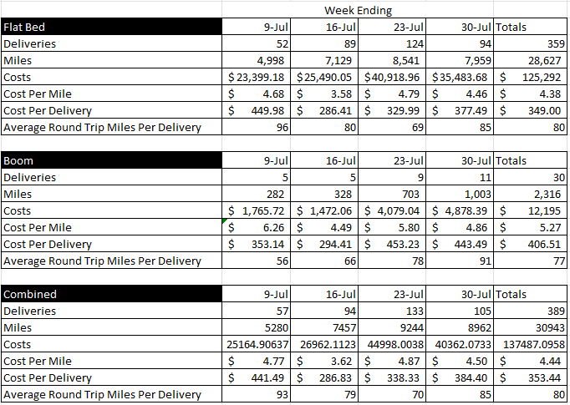
 |  |  | 
DPC-PSC FY23 Freight LTL Policy |  |  | Effective 8/12/22 |  | JB Hunt Analysis
 |  | LTL Pricing for project add ons (not quoted),or House direct order
TIER | LTL Freight Charge | NC Counties | SC Countries
1 | $450/truck | Mecklenburg, Gaston, Catawba, Iredell, Rowan
2 | $575/truck | Alexander, Cleveland, Davie, Davidson, Stanley , Union | York
3 | $700/truck | Anson, Burke, Caldwell, Wilkes, Yadkin, Montgomery, Moore, Richmond | Cherokee, Chester, Fairfield, Kershaw, Lancaster
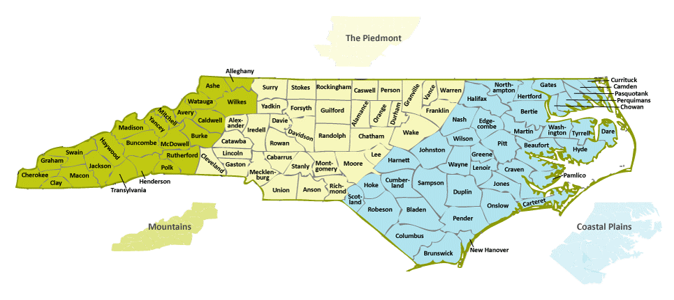
4 | $950/truck | Forsyth, Guilford, Moore, Randolph, Richmond, Rutherfordton | Richland, Chesterfield, Spartanburg, Union
5 | TBD | *Quoted Rate | *Quoted Rate

*Quoted rate is Done by Google maps from Closest plant, $350/load for first 20 miles, plus $10.45/Mile afterwards
 | (rounded up to nearest 5 mile increment)
Notes: LTL Pricing is to cover add ons or to old projects or stock orders. Not subject to fuel surcharge

 |  |  | Rev 1 Effective 8/12/22
Estimator Freight Pricing Tool used on all Quotes |  |  | Upon issuance, Effective Immediately for all quotes | Rev 1 Effective 8/12/22
Zone | Mileage (Round Trip) | % Adder to Quotes | Based on WAYPOINT Address (Guidance, used exact mileage to Jobsite)
Z1 | 1-20 Miles (<40) | 8% (min $350) | North Charlotte, Huntersville, Mooresville, Mount Holly, Harrisburg, Kannapolis
Z2 | 21-40 Miles (<80) | 10% (min $450) | Metro Charlotte Area, Stateville, Gastonia, Fort Mill, Mint Hill, Matthews
Z3 | 41-60 Miles (<120) | 12% (min $575) | Hickory, Waxhaw, Rock Hill, Monroe, Salisbury Area
Z4 | 61-80 Miles (<160) | 15% (Min $750) | Chester SC, Kershaw, SC, Gaffney SC area, Lenior NC, Winston Salem
Z5 | 81-100 Miles (<200) | 18% (Min $950) | GSO Area
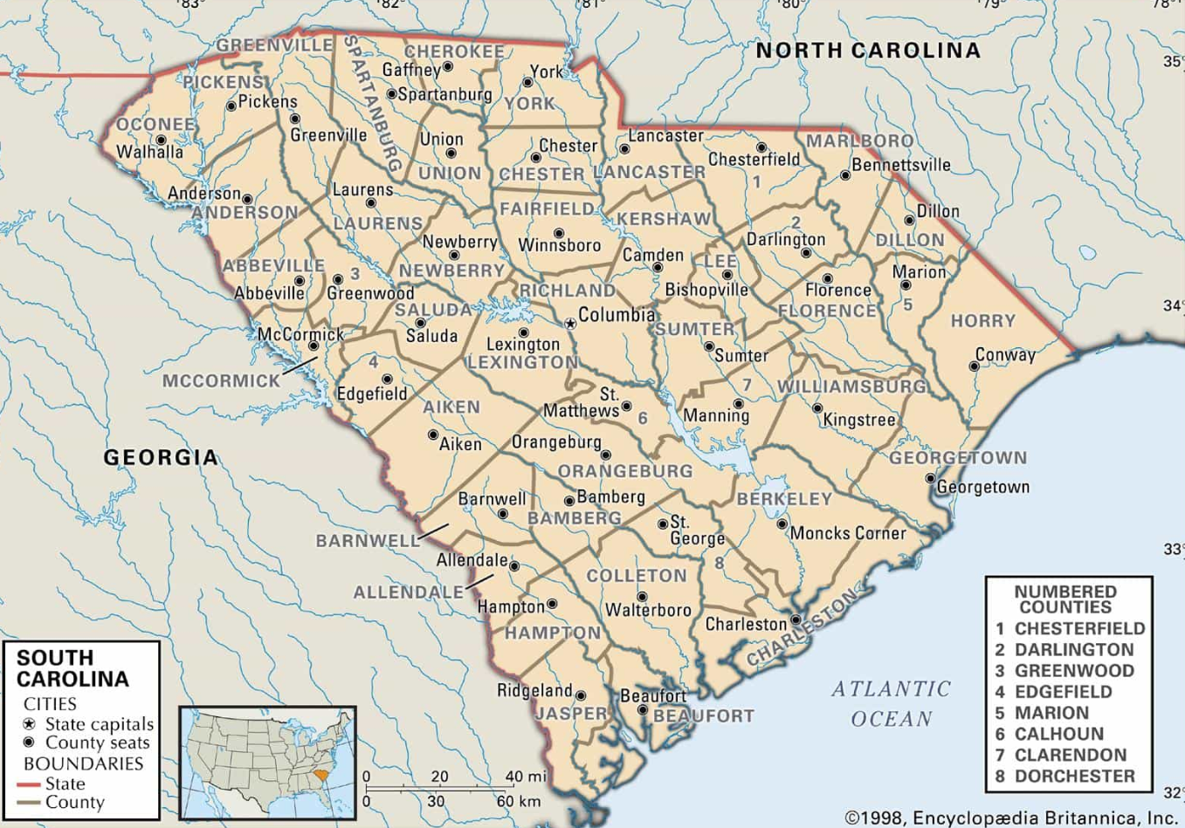
Z6 | 101-120 miles (<240) | 21% (Min $1200) | Metro Greenville SC, North Columbia Area
Z7 | 121-140 miles (<280) | 25% (Min $1450) | Metro Asheville Area , South Columbia Area
Z8 | 141-160 miles (<320) | 29% (Min $1675) | Durham Area
Z9 | 161-180 Miles (<360) | 33% (Min $1875) | Raleigh Area
Z10 | 181-200 miles (<400) | 38% (Min $2150)
Z11 | 201-225 miles (<440) | 43% (Min $2300)
Z12 | 226-250 miles (<500) | 48% (Min $2615)

 | WAYPOINT for Mileage to Jobsite | 9500 NC-73, Huntersville, NC 28078
 | Link to Google Map>>>>>>>>>> | https://www.google.com/maps/dir/35.4424506,-80.8677429//@35.6189822,-81.3872031,10z/data=!4m2!4m1!3e0

 | ADDERS (Customer Base)
A1 | House (Big 3) | 0%
A2 | Consolidate Pipe | 10%
A3 | AMP | 12%
A4 | Monroe Roadways/ Blythe Development | 13%
A5 | Direct Buy (With Current good Credit App) | 15%
A6 | Out of State Contractors | Custom* | *confirm with MBarnes

